Welcome

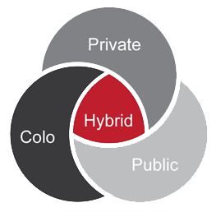
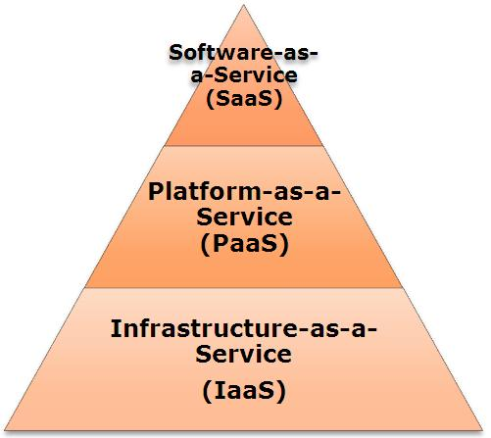
Welcome | Dashboard | Business Overview | IT Strategic Drivers | Strategic Obstacles | Networking | Compute | Availability | Core Apps | Voice | Security | IT Service

This evaluation framework focuses on key criteria to help a company assess the suitability of tactical infrastructure and applications for migration to the cloud, providing objective advice on implementation strategies which best meet business and technical requirements.

IT Strategic Drivers
 |  | Home | Next
Reduce IT Costs
Staff costs | 1
Qualitative measure of current organisational IT objectives.
Scores are assigned based on:
1 - Low importance
through to
4 - High importance
Ongoing maintenance costs | 2
Capex or Opex model | 4
Reduce Administrative Burden
Reduce complexity | 4
Ability to support | 3
Improve IT Agility | 2
Centralise IT Infrastructure
Location independence | 1
DR Provision | 2
Risk Management
Security | 2
Availability | 2
Compliance | 1
Current Constraints | Small number of internal IT staff, with limited skillsets. Increasingly complex infrastructure. BAU incident resolution takes majority of internal resource, leading to lack of agility to respond to business requirements and neglect of underpinning processes and IT service offerings.
Other:

Strategic Obstacles
 |  |  | Home | Next

Qualitative measure of obstacles preceived as barriers to Cloud adoption.
Scores are assigned based on:
1 - Low importance
through to
4 - High importance
 |  | Notes
Compliance | 1
Compatibility | 1
Security | 4
Integration | 1
Committed costs | 1
Legacy infrastructure | 1
Capex model | 1
Limited opex | 1
Internal resources | 4
Internal skills | 4
Other:

Compute
 |  |  | Home | Next
Client Computing

 |  | Notes
Client architecture | Mixed
Virtualisation | XenDesktop
Assets | Owned
Make | HP
Model | DC8300E
Age | Less than 1 year
Refresh cycle | N
Managed | Partially
Supported | Break/fix
Performance | Excellent
Other:

Server Computing

 |  | Notes
Physical servers | 1 - 5
Make | HP
Model | DL380 G8
Virtual servers | 20 - 50
Hypervisor | VMWare
OS | Windows Server 2008 R2
Architecture | Centralised
Environment | Server Room
Assets | Owned
Age | Less than 3 years
Refresh cycle | N
Managed | Partially
Supported | Break/fix
Performance | Adequate
Other:

Storage

 |  | Notes
Storage architecture | SAN
Location | Centralised
Make | NetApp
Model | FAS 2040
Total capacity | 10TB
Available capacity | 5TB
Deduplification | Y
Snapshot | Y
Mirroring | Y
Scalability | Good
Availability | Good
Recovery | Good
Asset | Owned
Age | More than 3 years
Refresh cycle | N
Managed | Partially
Supported | Break/fix
Performance | Adequate
Other:

Availability
 |  |  | Home | Next

Qualitative measure of resilience/availability of specified infrastructure elements.
Scores are assigned based on:
1 - Criteria is not met
through to
4 - Criteria is fully met
 |  | Notes
WAN Resilience | 1
LAN Resilience | 3
Telecommunications | 1
Application | 2
Data backups | 1
Replication | 3
Location independence | 2
Formal IT DR/BCP plan | 1
RPOs | 1
RTOs | 1
Formal testing | 1
Other:

Voice
 |  |  | Home | Next

Fixed Telephony

 |  | Notes
Number of PBXs | 1
Location | Head Office
Make | Mitel
Model | 3300
Age | More than 3 years
In support | Y
Supported | External 3rd party
Architecture | VoIP
VoIP | LAN Only
QoS | LAN Only
PSTN media | Dispersed ISDN
PSTN breakout location | Head Office
Channels/bandwidth | 30
Monthly call costs | £1,000
Operator console(s) | N
Call centre/ACD | N
IVR | N
Call recording | Y
IM | Y
Presence | Y
Other:

Mobile Telephony

 |  | Notes
Supplier | Sprint
Network | Vodafone
Handsets | 50 - 100 | Windows Mobiles
Handset age | 2 years
Monthly call costs | £500
Data allowance | 1GB
Contract length | Less than 1 year
Remaining | Less than 3 years
Other devices | N/A
Mobile convergence | N
Mobile applications | N
Other:

Security
 |  |  | Home | Next

Qualitative measure of IT security in relation to specified infrastructure elements.
Scores are assigned based on:
1 - Poor/Non-existent
through to
4 - Comprehensive and embedded
 |  | Notes
Physical | 2
Internet | 2
WAN | 1
LAN | 2
IDS/IPS | 1
Logging | 2
Penetration testing | 1
Remediation | 1
Internal security function | 1
Policies | 1
Processes | 1
Regulatory requirements | Y | IL2, ISO27001
Other:

IT Service
 |  |  | Home

Qualitative measure of IT service in relation to specified elements.
Scores are assigned based on:
1 - Poor/Non-existent
through to
4 - Comprehensive and embedded
 |  | Notes
Service perception | 3
Processes
Incident | 3
Problem | 1
Change | 1
Process maturity | 1
Service agility | 1
Service catalogue | 1
Business agreed SLAs | 1
Supporting vendors | 2
Measures | 1
Self service | 1
Other:

